1. Title Page
Instacart Sales Study, 2023

Project Name: Instacart Sales Study, 2023
Date: St 10-23
Analyst Name: Haley Bustle

Contents:
Population Flow
Consistency checks
Wrangling steps
Column derivations
Visualizations
Recommendations

2. Population Flow
Title page

Population flow

Exclusion flag
Condition: max_order <
Obervations to be removed:
Final total count of order_products_all:

Orders_products_combined
Orders_products_merged
Orders_products_all

Total:
Total:
Total:

1.) The grey boxes in the first row of the population flow represent the original data sets as they were when you downloaded them. In the Total fields you need to add the count of the rows when you imported the data set into Jupyter.
2.) The second row of boxes (coloured) represents the data sets after you manipulated them, e.g., removed missing values and duplicates. In the Total fields you need to add the count of the rows after conducting these operations. This offers a visual oveview of how the data flows throughout the data consistency checks.
3.) The third row, where also the arrows are coloured, represents the merges you performed between the datasets. In the Total fields you need to add the count of the rows in the merged datasets, so that you end up with the final dataset (in the red box). Keep in mind the final dataset should be without exclusions (based on the exclusion flag).

3. Consistency checks
 |  |  |  | Title page
Consistency checks

Dataset | Missing values | Missing values treatment | Duplicates
orders | days_since_prior_order | created flag column / true or false
products | product_name | 16 listed as NAN, removed | 5 duplicates found, removed
orders_products_prior
customers

orders_wrangled.csv found that days_since_prior_order has 206,209 missing values. These values remain present and a true/false flag column was created to better define these missing values
orders.wrangled.csv had column titled Unnamed: 0 with near duplicate values to order_id column. No relavent information avalible, column removed

4. Wrangling steps
 |  |  |  | Title page
Wrangling steps

Columns dropped | Columns renamed | Columns' type changed | Comment/Reason
eval_set (orders.csv) |  |  | not applicable to analysis
order_numbers (orders.csv) |  |  | not applicable to analysis
 | order_dow (orders.csv) | orders_day_of_week | better column understanding
 |  | orders_day_of_week | change to string, numbers mean day of week
 |  | order_hour_of_day | change to string, numbers mean hour of day

wrangled_orders.csv |  | order_id, user_id, day_of_week, order_hour_of_day | change from mix to integer to match dataframe

first_name, surnam (customers_csv) |  | Gender, STATE, date_joined, fam_status | change from obj to: string, string, dateframe, string

5. Column derivations
 |  |  |  | Title page

Column derivations and aggregations

In this tab you should add tables below that the frequences of flags/label variables that you produced after deriving them. NB: don't do this for continuous variables, only for flags.
Dataset | New column | Column/s it was derived from | Conditions
orders_products_merged | price_label | prices | item a, see below
 | busiest_day | day_of_week | item b, see below
 | busiest_days | day_of_week | item c, see below
 | busiest_period_of_day | order_hour_of_day | item d, see below
 | max_order | user_id, order_numer | item e, see below
 | spending_flag | user_id, prices | item f, see below
 | median_days_since_prior | user_id, days_since_prior_order | item g, see below

Item A, | conditions for column: under 5 (low range product), between 5 and 15 (mid range product), greater than 15 (high range product)
Item B, | conditions for column: if equal to 0 (busiest day), if value equal to 4 (least busy), all remaining results (regular busy)
Item C, | conditions for column: if orders in 1 (mon) or 0 (sun) then busiest days, in 3 (tues) and 4 (weds) then slowest days, all else regular busy
Item D, | conditions for column: if orders in [9 through 15] then most orders, if orders in [0 through 6] then fewest orders, all else average orders
Item E, conditions for column: if orders greater than 40 (loyal customer), if orders greater than 10 but less 40 (regular), if order less than 10 (new customer)
Item F, conditions for column: if spending greater than 10 (high spender), if spending less than 10 (low spenderr)
Item G, conditions for column: if median days since prior order greater than/equal to 10 (frequent user), if media days since prior order greater/equal to 10 but less 20 (regular user), if less than 20 (non frequent user)

6. Visualizations
 |  | Title page

Visualisations

In this tab you should include all the visualtions from Exercises 4.9 and 4.10, alongside the questions from the project brief that they answer. Include any commentary on the relationship between different variables.



Image 1e6: Bar Chart
This shows the number of orders made during the week in order from busiest to least busy.
The days are identified on the x-axis as such: 0 (Saturday), 1 (Sunday), 2 (Monday), 3 (Tuesday), 4 (Wednesday), 5 (Thursday), and 6 (Friday)
The number of orders on the y-axis are listed in terms of thousands ( 1 = 1,000 orders, 2 = 2,000 orders, etc)

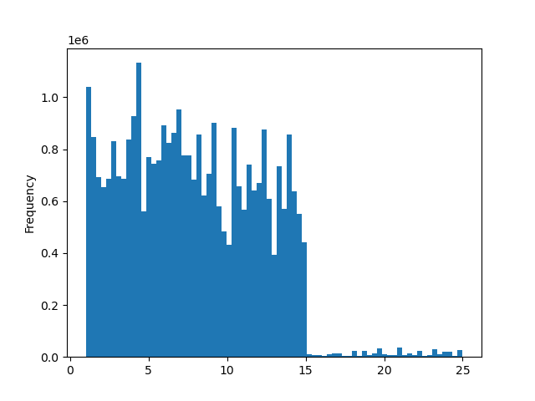

 | Image 1e6: Historgram

 | This histogram shows the prices of items available with Instacart and the frequency they were bought by customers
 | The x-axis shows the price of items in dollars ($) in increments of $5
 | The y-axis shows the frequency at which those items were bought in thousands

7. Recommendations
 |  | Title page

Recommendations

In this tab you should include any recommendations you would made to Instcart in terms of their marketing strategy based on the questions posed in the brief. Every key question has been covered in the Tasks of the Exercises - here you need to add an item - a visualisation or table/crosstable that is showing the answer in the data, acompanied by a comment from you. Please, list the questions below and add the answer underneath.

Question | Answer
Key Question 1
Key Question 2
Key Question 3
Key Question 4
Key Question 5
Key Question 6
Key Question 7

